Table 1
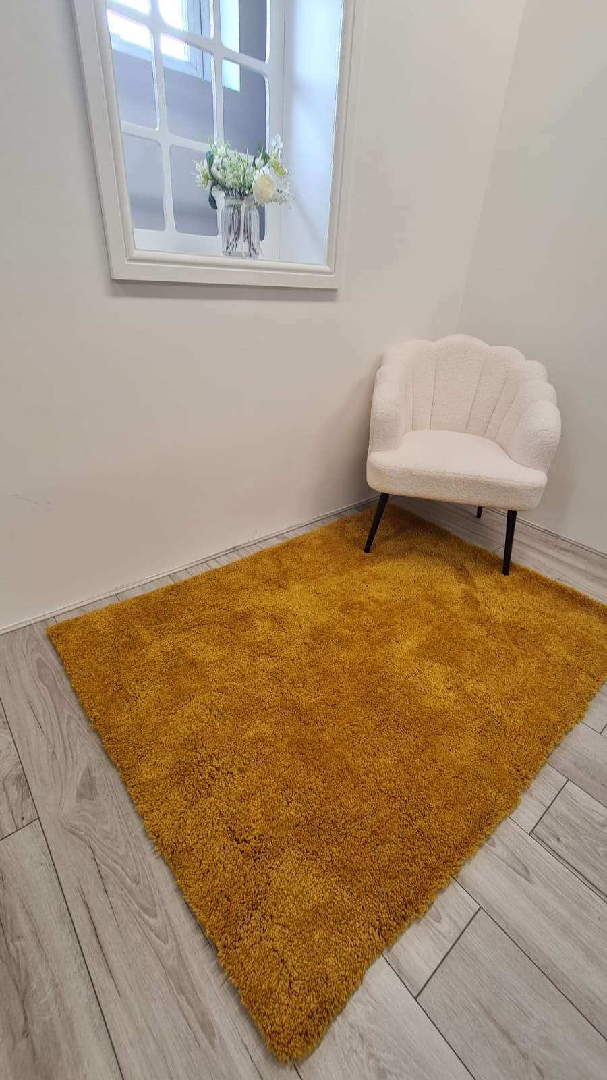
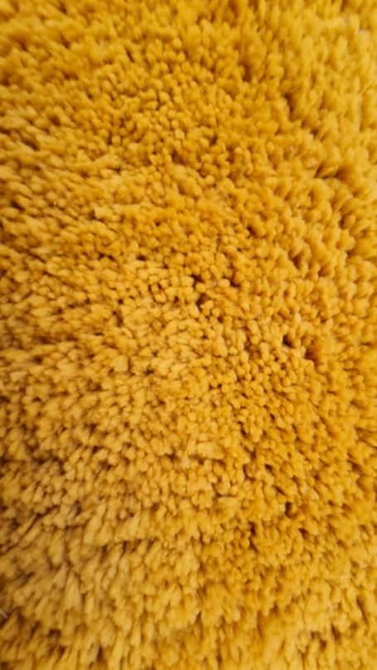
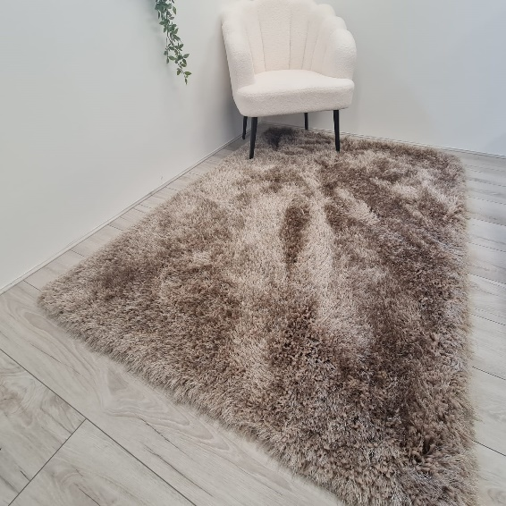
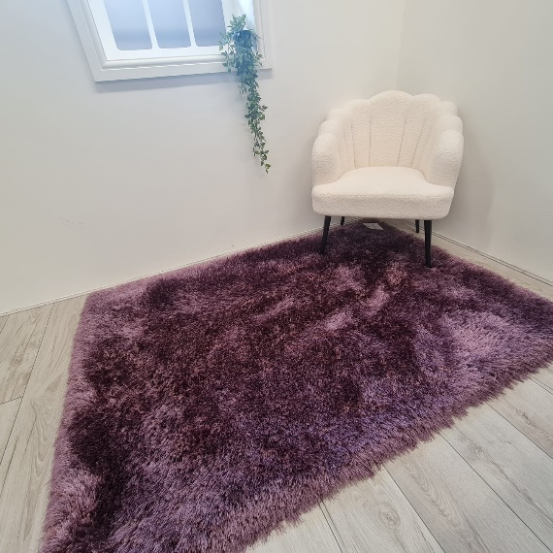
Reference code | COLOR | Size | PCS
Sissy shaggy rug | Mauve, | 120x170cm | 100
Sissy shaggy rug | Mink, | 120x170cm | 100
Sissy shaggy rug | Silver, | 120x170cm | 100
Sissy shaggy rug | Charcoal | 120x170cm | 100
Sissy shaggy rug | Blush pink, | 120x170cm | 100
Rome shaggy rug with silver | Navy | 110*150cm | 100
Rome shaggy rug with silver | Blush pink, | 110*150cm | 100
Rome shaggy rug without silver | Mustard | 110*150cm | 100
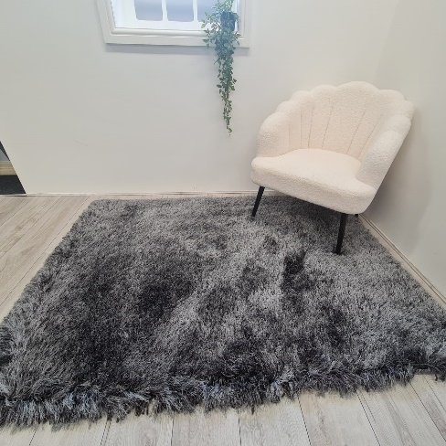
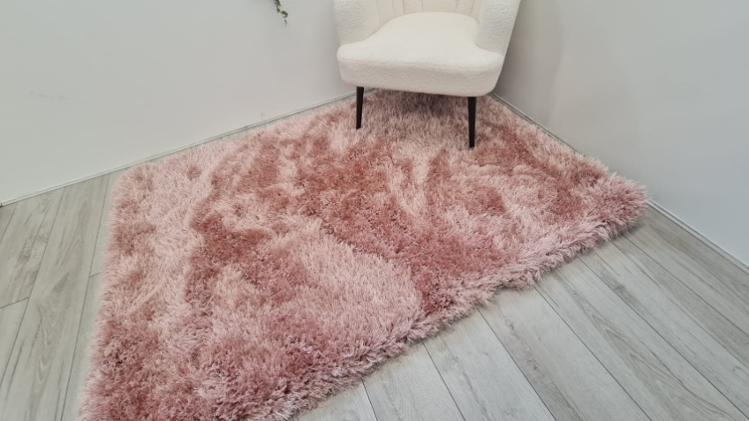
Rome shaggy rug without silver | Silver, | 110*150cm | 100
Faux Rabbit fur rugs | Navy | 60*110cm | 130
Faux Rabbit fur rugs | Navy | 100*150cm | 95
Faux Rabbit fur rugs | Navy | 160*200cm | 59
Faux Rabbit fur rugs | blush pink, | 60*110cm | 130
Faux Rabbit fur rugs | blush pink, | 100*150cm | 95
Faux Rabbit fur rugs | blush pink, | 160*200cm | 59
Faux Rabbit fur rugs | Silver, | 60*110cm | 130
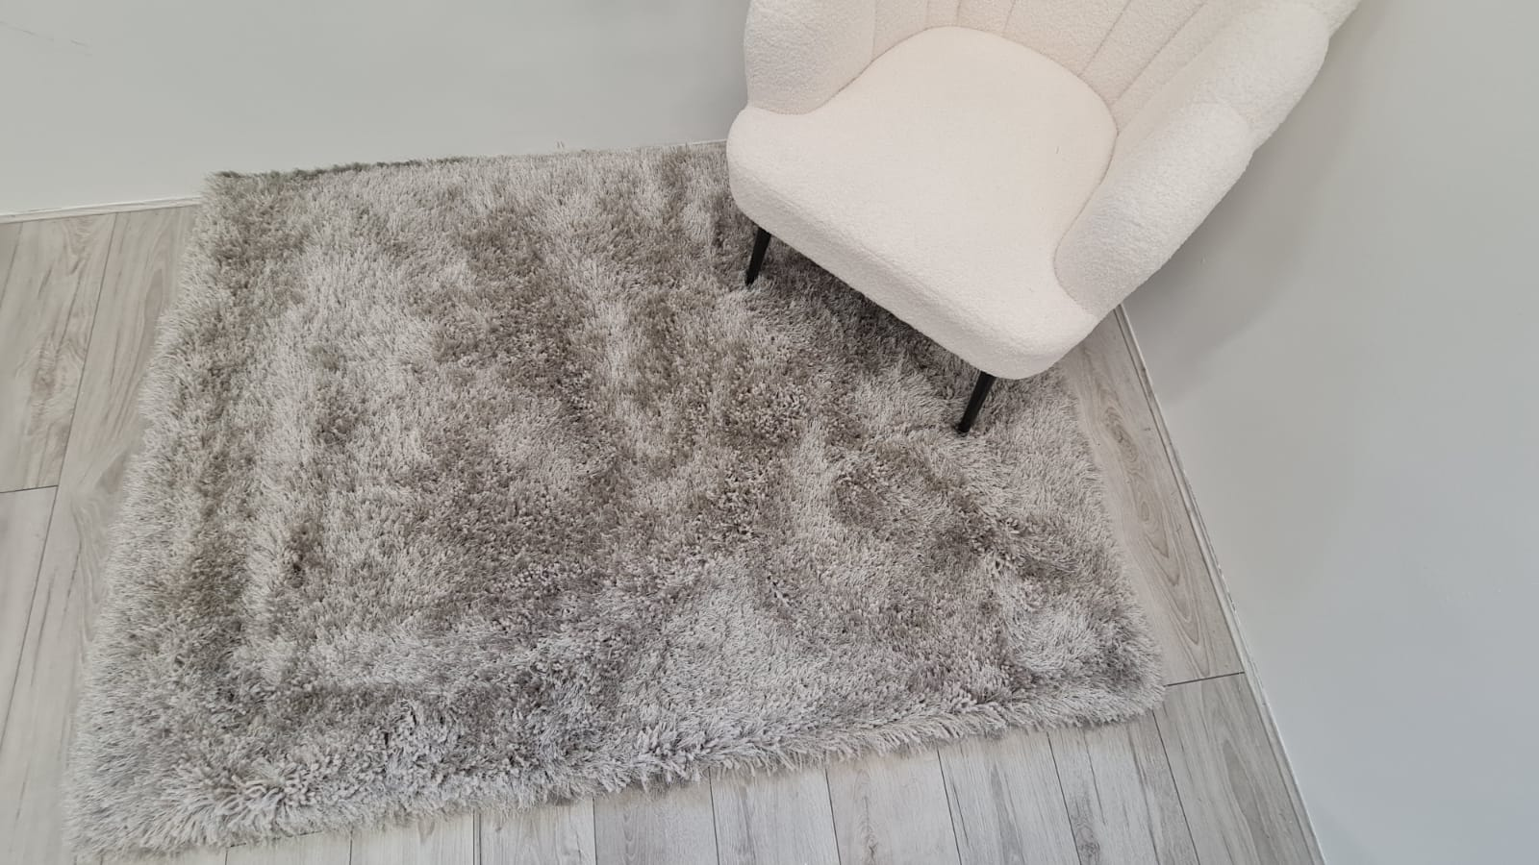
Faux Rabbit fur rugs | Silver, | 100*150cm | 95
Faux Rabbit fur rugs | Silver, | 160*200cm | 59
Faux Rabbit fur rugs | Black | 60*110cm | 130
Faux Rabbit fur rugs | Black | 100*150cm | 95
Faux Rabbit fur rugs | Black | 160*200cm | 59
Faux sheepskin rug | White, | 60*90cm | 100
 |  |  | 2136

